1. Site's Basic Information
 |  | Site's Basic Information |  |  | Your Company Logo
Site Survey Report (SSR)
General Information
Street |  |  |  | Postal Code
Region
State
Municipality
Coordinates
Latitude
Longitude
Locations References

Location Access
Site Contact
Phone
Site Access
Access Type
Access Obtencion

Photoraphic Evidence
Main Access Road & Front Facade

 | Access Road |  | Front Facade

Panoramic Images

 | Front |  | Back

 | Lateral A |  | Lateral B

360° Obstacles

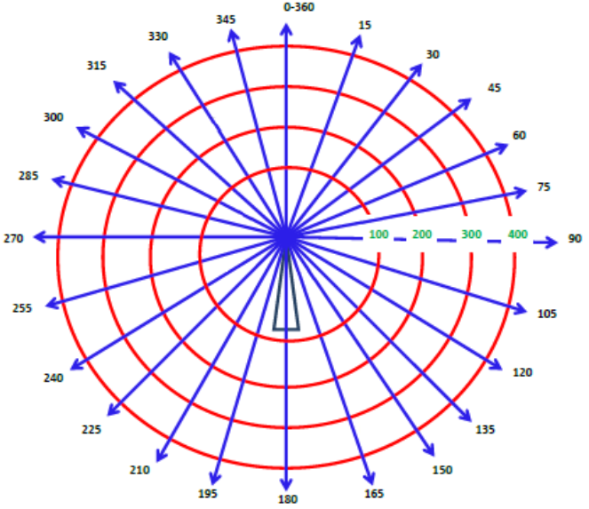

Additional Notes

